Customer contact list
Enjoying this template?​​
This template is completely free. If it saved you time or helped your business, consider buying me a coffee to support the creation of more free resources!
​Scan or visit:​​ ko-fi.com/excelnav
Thank you for your support!
For More Practical Templates, Please Visit Our Website.​
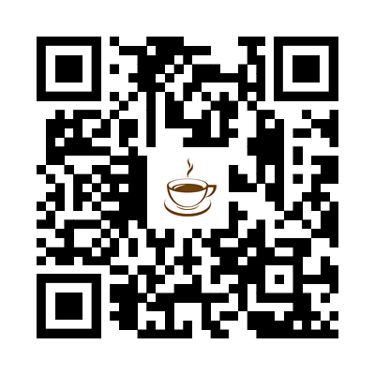
Customer contact list |  |  |  |  |  |  |  |  |  |  |  | 
Customer ID | Company name | Contact name | Billing address | City | State or province | Postal code | Country/region | Contact title | Phone number | Fax number | Email address | Notes
ABC123 | Happiest Valley Farms | Wesley Brooks | 4567 8th Ave | Carson City | NV | 10111 | USA | Owner | (6055550154 | (6055550155 | wesley@example.com
DEF456 | Plow & Tilth | Henry Ross | 987 6th Ave | Santa Fe | NM | 11121 | USA | Manager | (9017850165 | (9017850166 | henry@example.com
GHI789 | Pasture & Meadow | Yinon Hanan | 234 5th Ave | Madison | WI | 12131 | USA | Owner | (3325550144 | (3325550145 | yinon@example.com

